Map with Examples
Topic | Common Core |  | NAEP 8th 2022 |  | Misconceptions

Number properties and operations
1. Number sense |  |  | Use place value to model and describe integers and decimals

 | 6.NS.C.6 Understand a rational number as a point on the number line. Extend number line diagrams and coordinate axes familiar from previous grades to represent points on the line and in the plane with negative number coordinates. |  | Model or describe rational number or numerical relationships using number lines and diagrams |  | 1M. Misunderstanding the connections among proportional relationships part/whole, part/part, whole/part by writing part (shaded)/part (not shaded) relationship instead of part/whole |  | 2M. Misunderstanding the connections among proportional relationships part/whole, part/part, whole/part by failing to realize all parts must be of equal size
 |  |  | Sample Question 2022 | Answer |  | Question/ Answer
 |  |  | 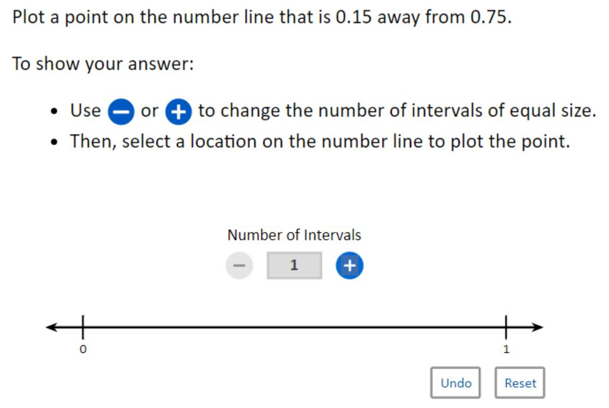 | 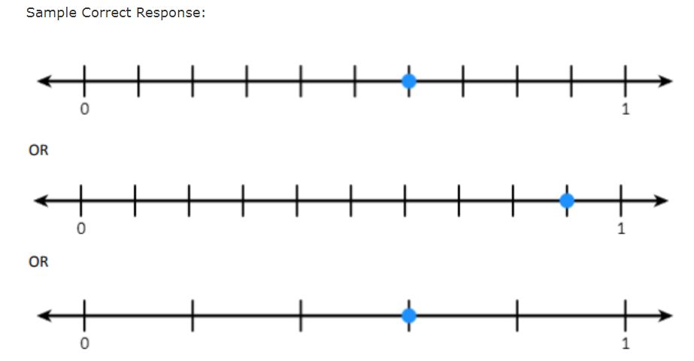
 |  |  |  |  | Ashlock (2006)
 |  |  | Write or rename rational numbers

 |  |  | Recognize, translate or apply multiple representations of rational numbers (fractions, decimals, and percentages) in meaningful contexts.
 |  |  | Sample Question 2017 | Answer
 |  |  | 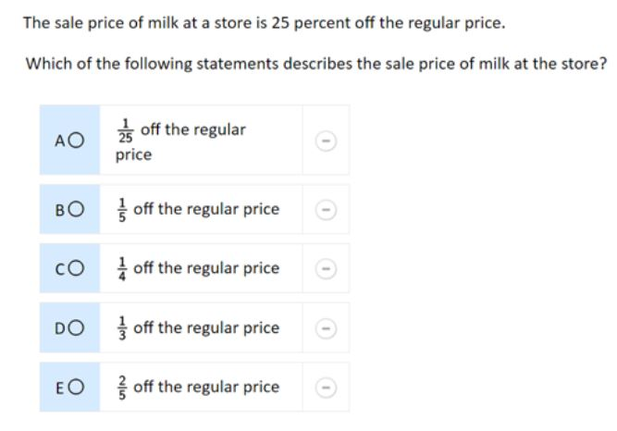 | "The correct answer is: C. 1/4 off the regular price"

 | 8.EE.A.4 Perform operations with numbers expressed in scientific notation, including problems where both decimal and scientific notation are used. Use scientific notation and choose units of appropriate size for measurements of very large or very small quantities (e.g., use millimeters per year for seafloor spreading). Interpret scientific notation that has been generated by technology. |  | Express or interpret numbers using scientific notation from real-life contexts. |  | 4E. Fail to generalize patterns in powers. |  | 3E. Incorrect interpretation of the exponential expression
 |  |  |  |  | Slavit, D. (2006) p. 6 "What digit is in the one's place of the answer to: 2^9 . 3^4. 5^6 | Question | Pinchback (1991) (z -4)^2
 |  |  |  |  | The results indicated that students tended to use a computational approach to solve this problem instead of looking for a generalizable pattern in each power | Answer | Instead interpreted it as (z - 4) (z +4) or they tried to do other incorrect procedures such as attempting to factor (z -4)2 to (z + 2) (z -2)

 | 6.NS.C.7 Understand ordering and absolute value of rational numbers. |  | Find or model absolute value or apply to problem situations.
 |  |  | Sample Question 2022 | Answer

 |  |  | Order or compare rational numbers (fractions, decimals, percents, or integers) using various models and representations (e.g., number line).
 |  |  | Sample Question 2022 | Answer
 |  |  | 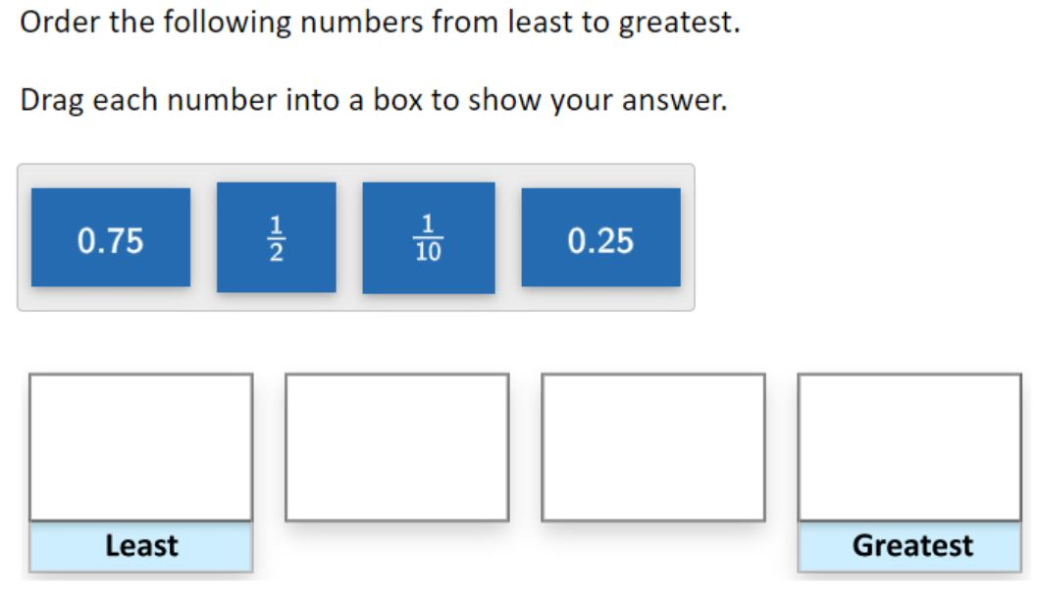 | 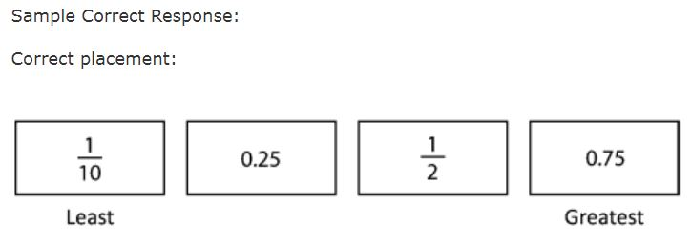
 |  |  | Sample Question 2017 | Answer
 |  |  | 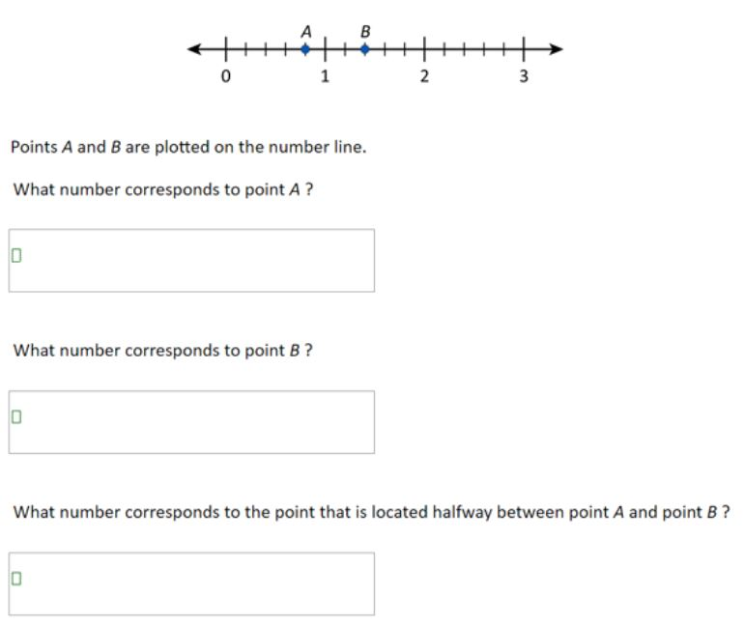 | Sample Correct Response: (a) Answer: 4/5 or 0.8 (or equivalent) (b) Answer: 1 2/5 or 1.4 (or equivalent) (c) Answer: 1 1/10 or 1.1 (or equivalent)

 | 8.EE.A.3 Use numbers expressed in the form of a single digit times an integer power of 10 to estimate very large or very small quantities, and to express how many times as much one is than the other. |  | Order or compare rational numbers including very large and small integers, and decimal and fractions close to zero. |  | 5M. Ordering decimals incorrectly basing the value of a decimal on incorrect reasoning such as the number of digits
 |  |  |  |  | A. 0.3 < 0.4 B. 0.2 < 0.02 C. 0.03 > 0.3 D. 0.1 = 0.1 E. 0.2 < 0.03 F. 0.001 > 0.02 | Question

2. Estimation | 8.NS.A.1 Know that numbers that are not rational are called irrational. Understand informally that every number has a decimal expansion; for rational numbers show that the decimal expansion repeats eventually, and convert a decimal expansion which repeats eventually into a rational number. | 8.NS.A.2 Use rational approximations of irrational numbers to compare the size of irrational numbers, locate them approximately on a number line diagram, and estimate the value of expressions (e.g., pi²). | Establish or apply benchmarks for rational numbers and common irrational numbers (e.g., Pi) in contexts.

 |  |  | Make estimates appropriate to a given situation by: | Identify when estimation is appropriate
 |  |  |  | Determining the level of accuracy needed
 |  |  |  | Selecting the appropriate method of estimation
 |  |  |  | Analyzing the effect of an estimation method on the accuracy of results

 |  |  | Verify solutions or determine the reasonableness of results in a variety of situations, including calculator and computer results.

 |  |  | Estimate square or cube roots of numbers less than 1000 between two whole numbers.

3. Number Operations | 7.NS.A.1 Apply and extend previous understandings of addition and subtraction to add and subtract rational numbers; represent addition and subtraction on a horizontal or vertical number line diagram. |  | Perform computations with rational numbers |  | 2E. Simplified the numerator but not the denominator |  | 1E. Attempted to write a fraction in lower terms by estimating when you cannot divide evenly (e.g. 3/8 to 1/4)
 |  |  |  |  | Ashlock (2006) A. 4/8 = 2/8 B. 6/8 = 1/8 C. 2/4 = 2/4 D. 7/7 = 1/7 E. 4/6 = 1/6 F. 9/3 = 3/9 | Question/ Answer | Ashlock (2006) A. 4/9 = 2/3 B. 3/ 9 = 1/3 C. 3/8 = 1/4 D. 4/8 = 2/4
 |  |  | Sample Question 2017 | Answer | 3E. Added/subtracted the numerators and added/subtracted the denominators (overgeneralized whole number operations) |  | 4E. Identified a common denominator but failed to change the fractions into equivalent form
 |  |  | Multiply. 4.9 x 1.5 = | Correct: Answer of 7.35 | Ashlock (2006) A. 4/5 + 2/3 = 6/8 B. 1/4 + 2/3 = 3/7 C. 7/8 + 5/6 = 12/14 D. 3/7 + 1/2 = 4/9 | Question/ Answer | Ashlock (2006) A. 1/2 = 1/4 + 1/4 = 1/4 ---- ---- 2/4 B. 2/5 = 2/10 + 1/2 = 1/10 ---- ---- 3/10 C. 3/5 = 3/15 + 1/3 = 1/15 ---- ---- 4/15
 |  |  |  |  |  | Question/ Answer | Ashlock (2006) A. 3/4 + 2/3 = 5/12 B. 6/8 + 1/3 = 7/24 C. 2/3 + 5/6 = 7/18 D. 3/5 + 2/3 = 5/16 = 1/3
 |  |  |  |  | 5E.Subtracted mixed numbers without necessary regrouping and instead subtracting the smaller number from the larger |  | 6E. Regrouped incorrectly – either by mistakenly using base ten reasoning or some other error
 |  |  |  |  | Ashlock (2006) A. 7 1/2 - 3 ---------- 4 1/2 B. 8 1/3 - 2/3 ---------- 4 1/2 C. 6 - 1 1/4 ---------- 5 1/4 D. 3 1/4 - 2 3/4 ---------- 1 2/4 | Question/ Answer | Ashlock (2006) A. 2 3/4 = 2 11/4 - 1 1/2 = 1 3/4 --------------------- 1 8/4 B. 11 1/6 = 11 67/48 - 3 7/8 = 3 31/48 ------------------------- 8 36/48 C. 9 1/3 = 9 28/3 - 2/3 = 2/3 --------------------- 9 26/3
 |  |  |  |  |  | Question/ Answer | A. 8 3/4 - 6 1/8 = 2 2/4 B. 5 3/8 - 2 2/3 = 3 1/5 C. 9 1/5 - 1 3/8 = 8 2/3 D. 7 2/5 - 4 7/10 = 3 5/5
 |  |  |  |  | 7E. Multiplied fractions incorrectly by cross-multiplying (as if solving a proportion) and then applied an invented algorithm to get the answers (such as adding the sum of the two cross multiplications) |  | 8E. Incorrectly changing a whole number into a fraction
 |  |  |  |  | Ashlock (2006) A. 4/5 x 3/4 = 166 B. 1/2 x 3/8 = 68 C. 2/9 x 1/5 = 100 D. 2/3 x 4/6 = 132 | Question/ Answer | Ashlock (2006) changing the whole number 6 into 6/6 instead of 6/1
 |  |  |  |  | Ashlock (2006) A. 1/8 x 1 = 1/8 B. 2/3 x 3 = 6/9 C. 1/4 x 6 = 6/24 D. 4/5 x 2 = 8/10 |  | -
 |  |  |  |  | 9E. Divided fractions incorrectly by dividing the numerators and then dividing the denominators (overgeneralizing whole number operations) |  | 10E. Applied only part of the “invert and multiply” algorithm – student may remember to multiply but forget to invert the second fraction
 |  |  |  |  | Ashlock (2006) A. 4/6 ÷ 2/2 = 2/3 B. 6/8 ÷ 2/8 = 3/1 C. 6/10 ÷ 2/4 = 3/2 D. 7/5 ÷ 3/2 = 2/2 | Question/ Answer | Brown, G., & Quinn, R. J. (2006) 5 - C. Find the sum 7 + 5 6 ------- + - 3 + 5 5 - 3
 |  |  |  |  | 11E. Ignored place value concepts to put the decimal in the answer
 |  |  |  |  | Ashlock (2006) A. 87 - .31= ? 87 - .31 --------- 87.31 B. 99.4 - 27.86= ? 99.4 - 27.86 ---------- 71.66 C. 200 - .65= ? 200 - .65 ---------- 200.65 | Question/ Answer
 |  |  |  |  | 12E. Placed the decimal point in the incorrect place when multiplying or dividing
 |  |  |  |  | Ashlock (2006) A. $6.45 x 3 -------- $19.35 B. 32.7 x .5 -------- 16.35 C. 21.8 x .4 -------- 87.2 D. 4.35 x 2.3 -------- 1305 870 -------- 100.05 | Question/ Answer | Ashlock (2006) A. 23.5 ÷ 6 = 18 ------------ 55 54 ----- 1 = 3.91 B. 38.6 ÷ 4 = 36 ------------ 26 24 ----- 2 = 9.62 C. 8.24 ÷ 5 = 5 ------------ 32 30 ------ 24 20 ----- 4 = 1.644
 |  |  |  |  | Not knowing what sign to put on the sum involving adding a positive and negative number |  | Making the sum of two negatives a positive
 |  |  |  |  | Ashlock (2006) A. -8 + 6 = -2 B. 5 + -9 = 4 C. 7 + -2 = 5 D. -4 + 10 = -6 | Question/ Answer | Ashlock (2006) A. -6 + -8 = 2 B. -8 + -3 = -5 C. 4 + -3 = 7 D. -2 + -5 = 3
 |  |  |  |  | Making the sum of two negatives a positive |  | Not using place value concept to put the decimal in the correct place in the answer
 |  |  |  |  | Ashlock (2006) A. 3 - (-4) = 7 B. -6 + 2 = 8 C. 7 + -2 = 5 D. -5 - 4 = 9 | Question/ Answer | Ashlock (2006) A. B. C. D. .8 .6 .4 .5 + .4 + .9 + .3 + .8 ------ ------ ------ ------- .12 .15 .7 .13
 |  |  |  |  | When subtracting - not regrouping but instead taking the smaller number minus the larger (reversing order) |  | Placing the decimal point in the incorrect place when multiplying - multiple reasons
 |  |  |  |  | Ashlock (2006) A. B. C. 87 - .31 = ? 99.4 - 27.86 = ? 200 - .65 = ? 87 99.4 200 - .31 - 27.86 - .65 --------- ------------ ------------- 87.31 71.66 200.65 | Question/ Answer | Ashlock (2006) A. B. C. D. $6.45 32.7 21.8 4.35 x 3 x .5 x .4 x 2.3 -------- -------- ---------- ------------ $19.35 16.5 87.2 1305 870 ----------- 100.05

 | 6.NS.B.2 Fluently divide multi-digit numbers using the standard algorithm. | 7.NS.A.2 Apply and extend previous understandings of multiplication and division and of fractions to multiply and divide rational numbers. | Describe the effect of multiplying and dividing by numbers including the effect of multiplying or dividing a rational number by: | Zero, or
 |  |  |  | • A number less than zero, or
 |  |  |  | • A number between zero and one
 | 6.NS.B.3 Fluently add, subtract, multiply, and divide multi-digit decimals using the standard algorithm for each operation. |  |  | • One, or
 |  |  |  | • A number greater than one.

 | 6.NS.A.1 Interpret and compute quotients of fractions, and solve word problems involving division of fractions by fractions, e.g., by using visual fraction models and equations to represent the problem. |  | Interpret rational number operations and the relationships between them

 | 6.NS.C.8 Solve real-world and mathematical problems by graphing points in all four quadrants of the coordinate plane. Include use of coordinates and absolute value to find distances between points with the same first coordinate or the same second coordinate. | 7.NS.A.3 Solve real-world and mathematical problems involving the four operations with rational numbers. | Solve application problems involving rational numbers and operations using exact answers or estimates as appropriate
 |  |  | Sample Question 2017 | Answer
 |  |  | Jared wants to buy a jacket that has a price of $49.99. He has a coupon for a discount of 30 percent off the price of the jacket. What is the price of the jacket after the 30 percent discount? A. $14.99 B. $19.99 C. $34.99 D. $48.49 E. $49.89 | The correct answer is: C. $34.99

4. Ratios and proportional reasoning | 6.RP.A.3 Use ratio and rate reasoning to solve real-world and mathematical problems, e.g., by reasoning about tables of equivalent ratios, tape diagrams, double number line diagrams, or equations. | 6.RP.A.1 Understand the concept of a ratio and use ratio language to describe a ratio relationship between two quantities. | Use ratios to describe problem situations |  | 1M. Holding a rigid understanding of proportionality – absolute vs. relative
 |  |  |  |  | Jaden and Jada both think they found the best sale on Joly Ranchers. Jade bought 2 Jolly Ranchers for 3 cents. Jada bought 3 Jolly Ranchers for 5 cents. Write a ratio for Jaden's sale. Write a ratio for Jada's sales. Are these ratios equivalent? | Question
 |  |  |  |  | Students are often mistakenly taught to think of ratios only as a fractions (e.g. 3/4) representing a part-whole relationship. This oversimplified understanding causes students to be inflexible in moving back and forth between different meanings of ratios where 3/4 can mean a part/whole, part/part, or a whole/part relationship | Answer
 |  |  |  |  | 2M. Inability to recognize ratios can represent the same units or different units
 |  |  | Sample Question 2022 | Answer | Singh, P. (2000). In baking a cake, for every 8 eggs, one needs 18 cups of flour.If Mary has 4 cups of flour,how many eggs does she need? | Question
 |  |  | There are 8 students playing in the school yard. There are 3 girls and the rest of the students are boys. What is the ratio of girls to boys? A. 3 to 5 B. 5 to 3 C. 5 to 8 D. 8 to 3 e. 8 to 5 | A. 3 to 5 | Correct answer given: 1.5 eggs. She used the unit method and computed 18 divided by 8 to match 1 cup with the numberof eggs. She did it mentallyandobtained2.25 (which was actually 1 egg with 2.25 cups). When she multiplied 2,25 by 4 she found the result of 18 puzzling. "Thatcan't be!" she said. Then she utilized the scalar method and com- puteda division of 18 by 4 which was 4.5. She wrote: 4.5 cups with 2 eggs 4 cups with 1.5 eggs (as both cups and eggs are lesser by 1/2) She utilizedthe additivestrategy.This seemedto indicatethatoverreliance on the unit strategytended to confuse Alice. When she tried to reason ratherthanfollow a procedure,she thoughtadditively | Answer

 | 7.RP.A.1 Compute unit rates associated with ratios of fractions, including ratios of lengths, areas and other quantities measured in like or different units. | 6.RP.A.2 Understand the concept of a unit rate a/b associated with a ratio a:b with b is not equal to 0, and use rate language in the context of a ratio relationship. | Use fractions to represent and express ratios and proportions |  | 3M. Confusion with ratios written as quotients |  | 4M. Lack of recognition of the different ways a ratio can be written – equivalent ratios and complex ratios
 |  |  |  |  | Bush, S. (2011) the ratio of 12 girls in a class of20 students could be written as 12/20, 12:20, or 12 to 20 if writing as a part/whole ratio. However, if asked to compare the number of girls to boys in the class, the ratio could be written as 12/18, 12: 18 or 12 to 18 | Question | Ojose. B. (2015) "Write how much is 2 hits out of 5 at-bats followed by 3 hits out of 7 at-bats"
 |  |  |  |  |  | Answer | yields 5 hits out of 12 at-bats

 | 7.RP.A.2 Recognize and represent proportional relationships between quantities. |  | Use proportional reasoning to model and solve problems (including rates and scaling) |  | 5M. Inability to unitize |  | 6M. Inability to recognize that ratios are a relationship between two quantities
 |  |  |  |  | Singh, P. (2000). John used exactly 15 cans to paint 18 chairs.How many chairscan he paint with 25 cans? | Question | De Bock, D., Van Dooren, W., Verschaffel, L., & Janssens, D. (2002) Bart is publicity painter. In the last few days, he had to paint Christmas decorations on several store windows. Yesterday, he made a drawing of a 56 cm high Father Christmas on the door of a bakery. He needed 6 ml paint. Now he is asked to make an enlarged version of the same drawing on a supermarket window. This copy should be 168 cm high. How much paint will Bart approximately need to do this?
 |  |  |  |  | 810 chairs. 18 + 18 + 18= 54 cans 20 cans - 162 chairs(she got this by multiplyingit by 3) 25 cans - 810 chairs (The algorithmic procedureson her working paper were: 162+162+162+162+162= 810) Alice was not able to construct a composite unit consisting of 15 to 18. Her reasoning seemed to be based on additive reasoning rather than multiplic- ative reasoning where each subsequent ratio is added on to the previous one. She was not able to unite a sequence of counting acts into composite units. Her 'adding' iteration was schematized as a ratio unit of 1 can to 18 chairs, where for each additional can, she added 18 chairs | Answer | -
 |  |  | Sample Question 2017 | Answer
 |  |  | Sebastian is making lemonade. His recipe requires 750 grams of sugar to make 20 liters of lemonade. Sebastian wants to make 12 liters of lemonade. How many grams of sugar does Sebastian need to maintain the same ratio of sugar to lemonade as his recipe? A. 32 grams B. 450 grams C. 670 grams D. 1,250 grams E. 8,800 grams | The correct answer is: B. 450 grams

 | 7.RP.A.3 Use proportional relationships to solve multistep ratio and percent problems. |  | Solve problems involving percentages (including percent increase and decrease, interest rates, tax, discount, tips, or part/whole relationships)

5. Properties of number and operations |  |  | Describe odd and even integers and how they behave under different operations

 | 6.NS.B.4 Find the greatest common factor of two whole numbers less than or equal to 100 and the least common multiple of two whole numbers less than or equal to 12. Use the distributive property to express a sum of two whole numbers 1–100 with a common factor as a multiple of a sum of two whole numbers with no common factor. |  | Recognize, find, or use factors, multiples or prime factorization.

 |  |  | Recognize or use prime and composite numbers to solve problems

 |  |  | Use divisibility or remainders in problem settings

 |  |  | Apply basic properties of operations |  | 1M. Believing that the commutative and associative properties are true for subtraction and division |  | 2M. Using faulty reasoning for performing order of operations such as performing operations left to right
 |  |  |  |  | Warren (2003) a. Find the missing number 23 = 2 + 5 + + 4 + 6 b. Find the missing numbers 23 = 1 + 5 + 3 + + 2 + ∆ c. Write some other sums that add to 23. d. How many can you write? | Question | Linchevski, L., & Livneh, D. (1999) 1. 5 + 6 × 10 = 2. 17 − 3 × 5 = 3. 8 × (5 + 7) = 4. 27 − 5 + 3 5. 24 ÷ 3 × 2 =
 |  |  |  |  | There was little difference between students' ability to find one unknown or two unknowns in an equation. An examination of the scripts indicated that most of the incorrect responses were due to simple computational errors. For example, for the second equation common responses for the unknowns were 6 and 5. An examination of the scripts indicated that nearly all of the students who answered the question used two whole numbers to create other sums that add to 23. Only 15 students included decimal numbers in their responses and all of these students created at least 20 more examples. When asked "How many can you write?" only 5% stated that "they could go on forever". Seventeen percent indicated that they could write "many" or "lots". The rest of the sample provided a finite number of explicit solutions (44%) or simply failed to respond (34%). Overall, only one hundred and eight students (16%) correctly found the missing numbers, wrote some other sums that added to 23, and stated that they could write lots/many or an infinite number of examples. Percentage Responses to: "Find the missing numbers." : correct Incorrect No Response 23 = 2 + 5 + + 4 + 6 455 (67%) 65 (10%) 162 (24%) 23 = 1 + 5 + 3 + + 2 + ∆ 433(64%) 76(11%) 163(25%) Table 2. Percentage Responses to: "Write some other sums that add to 23." No. of sums provided 0 154 (24%) 1 - 4 289 (43%) 5 - 9 78 (14%) 131 (19%) | Answer | It was with the last two expressions that we tested the possibility of detachment. A sizable number of children added (5 + 3) before subtracting and multiplied (3 x 2) before dividing. One possible explanation might be that they have generalized incorrectly the rule for the order of operations and believe that addition takes precedence over subtraction and multiplication over division (e.g., in many textbooks we find that the order of operations is given as: Brackets first then 'Of', Multiplication, Division, Addition and Subtraction, often referred to as BOMDAS). Another explanation by one of the children re- flected another incorrect generalization, namely, "Addition and subtraction are at the same level, so we choose what to do first as is more convenient". One possible explanation might be that they have generalized incorrectly the rule for the order of operations and believe that addition takes precedence over subtraction and multiplication over division. Question 3 was answered correctly by all students, as they knew that the bracketed operation had to be performed first. Many students who evaluated the expressions incorrectly were steadfast. As one of the students who was unshakeable stated, "All the years I was taught that you first multiply. It's easier this way'". An overall look at the questions gave us four groups of students: (1) correct in all questions, 26%; (2) detachers in all questions, 26%; (3) sequential readers, 24%; and (4) others, 24%

6) Mathematical reasoning using number |  |  | Explain or justify a mathematical concept or relationship (e.g., explain why 17 is prime).

 |  |  | Provide a mathematical argument to explain operations with two or more fractions.

Algebra
1. Patterns, relationships, and functions |  |  | Recognize, describe, or extend numerical and geometric patterns using tables, graphs, words, or symbols. |  | 1E. Difficulty depicting key aspects and relationships in pattern
 |  |  | Sample Question 2017 | Answer | Scheuermann and van Garderen (2008) Kyle and Andrew have the same number of candies. Kyle has a bowl of candies and 4 additional candies. Andrew has 14 candies. How many candies are in Kyle's bowl? | Problem
 |  |  | 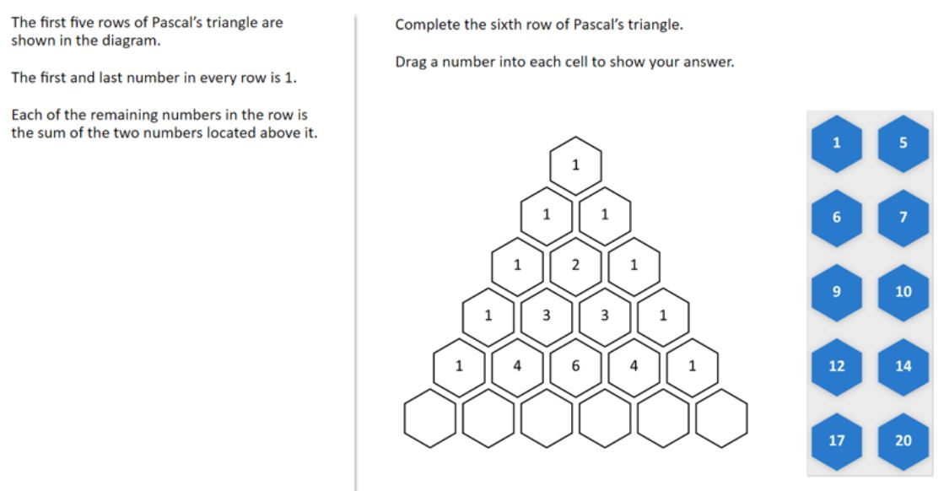 | 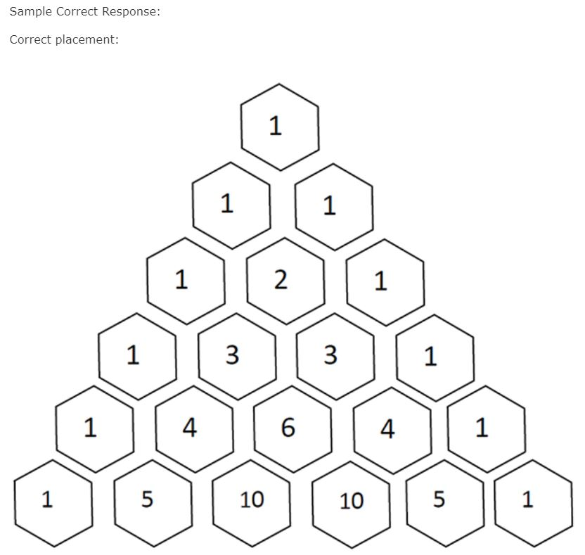 | Student may or not understand the problem, seems to have difficulty generating an accurate representation of of all the key components and using graphic notation to demostrate relationships, or may have a limited understanding of the purpose of representation | Answer
 |  |  |  |  | 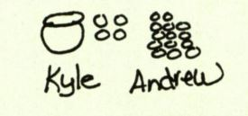

 |  |  | Generalize a pattern appearing in a numerical sequence, table or graph using words or symbols. |  | 3E. Difficulty accurately representing a problem using graphic notation or they do not understand the purpose of representation
 |  |  | Sample Question 2022 | Answer | Scheuermann and van Garderen (2008) Joe rode his bike 2 miles to the bus station. He then boarded a bus that took himm 12.5 miles. When he got off the bus, he walked 1 more mile to get to his to his friend's house. How far did Joe travel in all? | Problem
 |  |  | 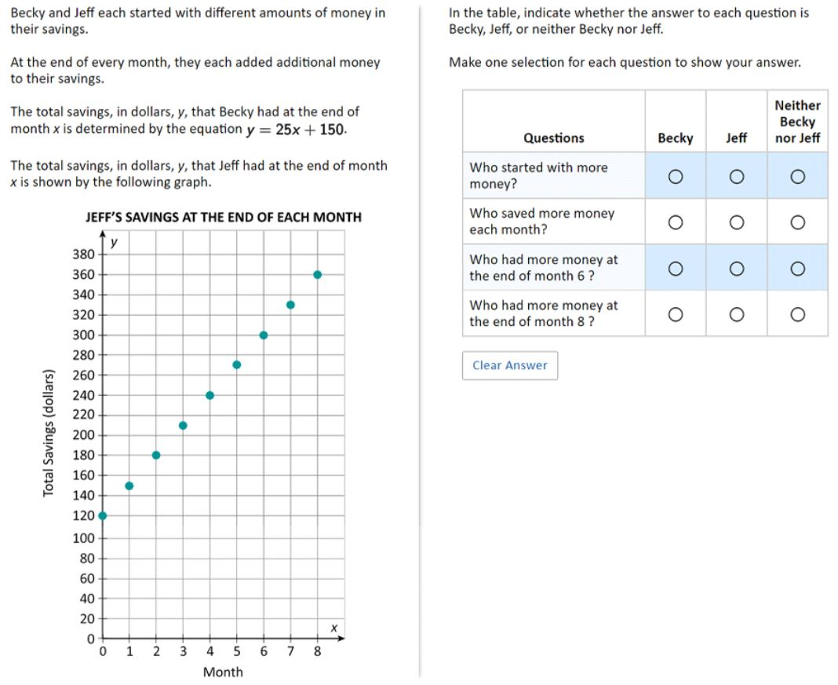 | 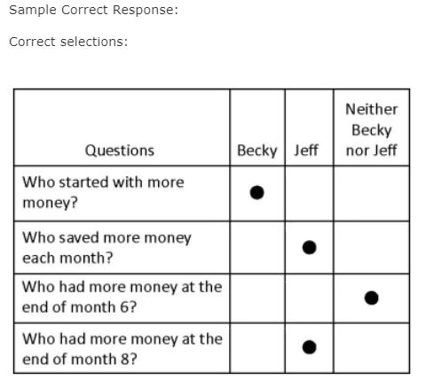 | 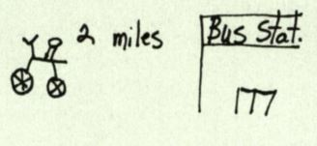 | Aswer
 |  |  |  |  | Does not undertand the purpose of a representation, may not understand the problem. Missing key components: 12.5 miles by bus, 1 mile walked

 |  |  |  |  | 4E. Difficulty interpreting graph-scale. 60%
 |  |  | Sample Question 2017 | Answer | Sarah B. Bush (2011) | Question
 |  |  |  |  | 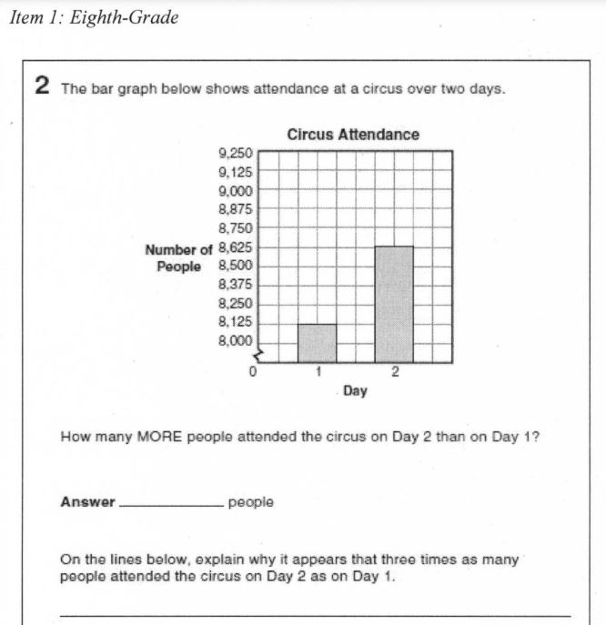
 |  |  | 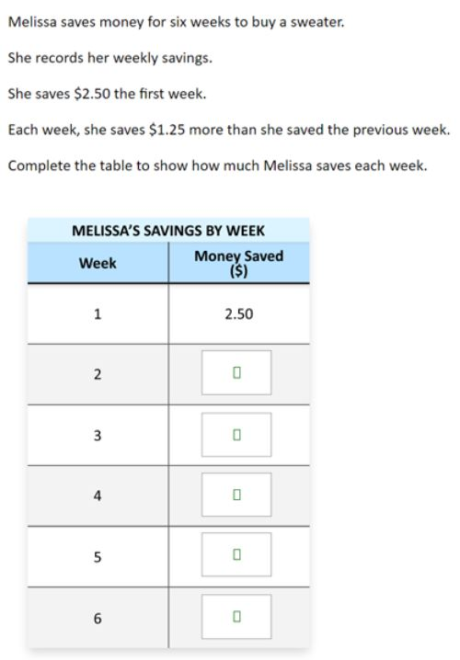 | 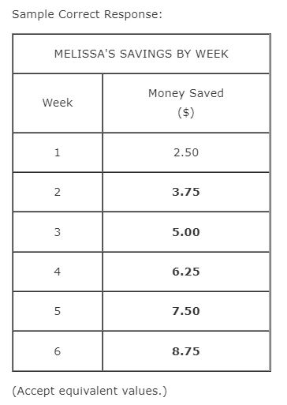 | For the 50% who had the correct answer and incorrect or blank explanation there were a variety of explanations including: no explanation (5%), it (the yaxis) increases by small numbers making it looker bigger than big numbers (5%), the graph is shortened in the corner (5%), the graph starts at 8,000 (15%), disagrees that it appears that there are three times as many on day two than on day one (5%), only mentions heights of the bars (5%), only mentions the increments of 125 (5%), and does not mention the break (5%). For the 10% that also had the incorrect answer along with the incorrect explanation the responses incorrectly stated that the y-axis increases by increments of 150 (instead of 125) (5%), and day two was shaded high (5%). All of these incorrect explanations can be directed back to the fact that the student lacked some understanding or awareness of the discontinuous scale on the y-axis | Answer

 |  |  | Analyze or create patterns, sequence, or linear functions given a rule |  | 5. Not understanding a linear function represents a rate of change or not connecting linearity and proportionality
 |  |  |  |  | Lobato 2010 Chanise and Hector, both seventh graders, had been working with a context in which water was being pumped into a swimming pool. After having made sense of the con- text, they were shown the graph. The graph indicates that the pool held 6 gallons of water after 3 minutes, 10 gallons after 5 minutes, and 18 gallons after 9 minutes. The students were asked to find the slope of the line. Chanise correctly recorded the slope formula as m = rise/run | Question
 |  |  |  |  | 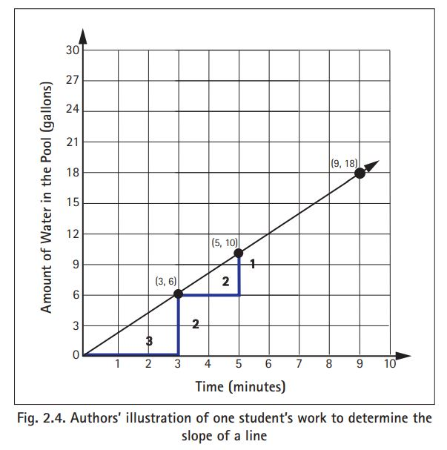 | Answer
 |  |  |  |  | 6. Confusion representing linear and exponential functions
 |  |  |  |  | LA Kasmer, OK Kim (2012) Explore growth of paper ballots as they are repeatedly cut in half. If Alejandro makes ten cuts, can you predict how many ballots Alejandro might have? What is your reasoning? | Question
 |  |  |  |  | A student responded: Yes. If you set up an equation like 2x then you put 10 in for jc and 2 times 10 equals 20 and find the answer 20. All you have to do is set up the equation. As is apparent from this example, the student relied solely on a mathematical calculation [multiplying 2 by 10] to arrive at the response to the prediction question. | Answer

 | 8.F.A.3 Interpret the equation y = mx + b as defining a linear function, whose graph is a straight line; give examples of functions that are not linear. | 8.F.A.2 Compare properties of two functions each represented in a different way (algebraically, graphically, numerically in tables, or by verbal descriptions). | Identify functions as linear or nonlinear or contrast distinguishing properties of function from tables, graphs, or equations. |  |  |  | 2E. Lack of recognition of the inconsistency between the positive slope of the line and the negative slope in the equation.
 |  |  | Sample Question 2022 | Answer |  | Question | Kalchman, M., & Koedinger, K. R. (2005) Make a table of values that would produce the function
 |  |  | 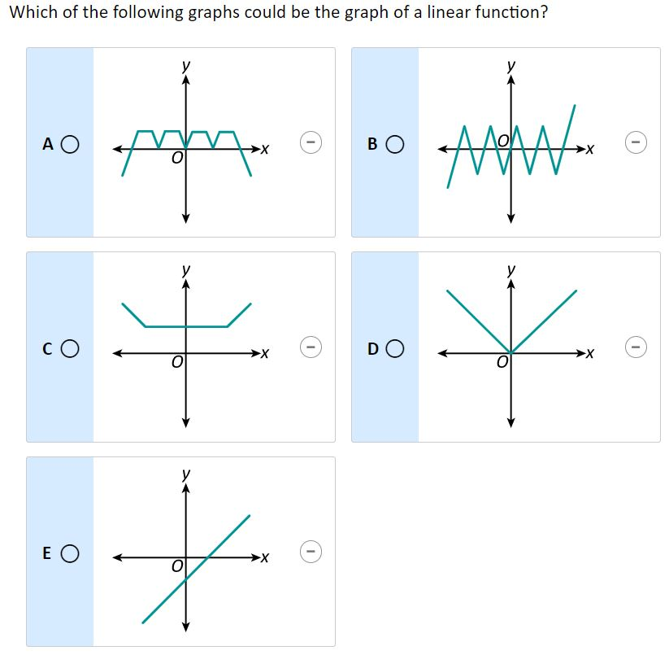 | 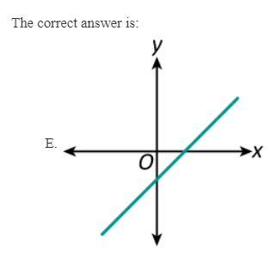 |  | Answer | First, and most superficially, the student (likely carelessly) mislabeled the coordinate for the y-intercept (0, 3) rather than (0, –3). This led him to make an error in calculating ∆y by subtracting 0 from 3 rather than from –3. In so doing, he arrived at a value for the slope of the function that was negative—an impossible solution given that the graph is of an increasing linear function. This slip, by itself, is of less concern than the fact that the student did not recognize the inconsistency between the positive slope of the line and the negative slope in the equation.
 |  |  |  |  |  |  | 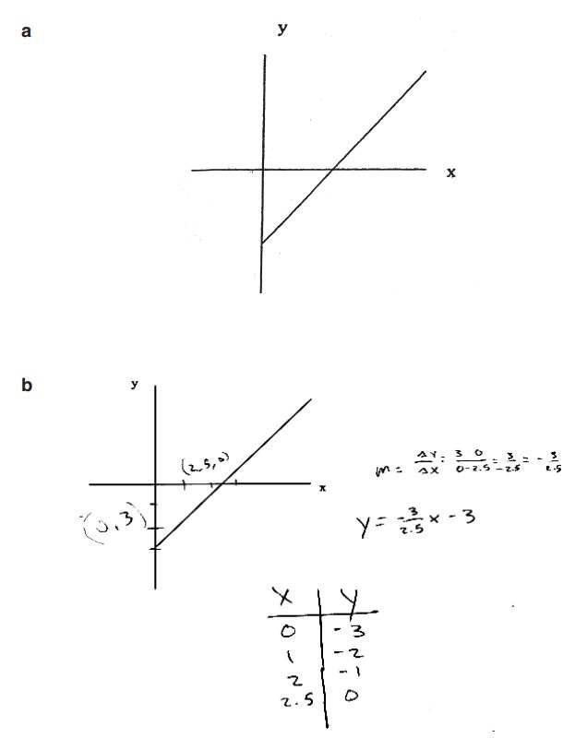
 |  |  |  |  | 7. Lacking understanding of and not seeing the connection between multiple representations of functions
 |  |  |  |  | Kalchman, M., & Koedinger, K. R. (2005). Make a table of values that would produce the function | Question
 |  |  |  |  | An error in the student’s solution was that the table of values does not represent a linear function. That is, there is not a constant change in y for every unit change in x. The first three coordinates in the student’s table were linear, but he then recorded (2.5, 0) as the fourth coordinate pair rather than (3, 0), which would have made the function linear. He appears to have estimated and recorded coordinate points by visually reading them off the graph without regard for whether the final table embodied linearity. Furthermore, the student did not realize that the equation he produced, y = (– 3/2.5) x - 3 , translates not only into a decreasing line, but also into a table of numbers that decreases by 3 2 5 for every positive unit change in x. | Answer

 |  |  | Interpret the meaning of slope or intercepts in linear functions |  | Kalchman, M., & Koedinger, K. R. (2005). After having solved the equation 2 = 4x + 1 to get x = 1/4, she was asked to the graph the function 4x + 1 | Question
 |  |  |  |  | She responded as follows: “the slope, which is 4, . . . the y-intercept, which is 1,...and...the x-intercept, which is 1/4, so we’ve found everything.” Note that IN said that to find “everything,” she needed the slope, y-intercept, and x-intercept. In other words, she appeared to have a 3-slot schema for understanding and graphing a linear equation instead of the 2-slot schema described above. Schoenfeld and colleagues11 explain: When a person knowledgeable about the domain determines that the slope of a particular line is some value (say, 1. . .) and that its intercept is some other value (say, 3), then the job is done. The equation of the line must be y = (1)x + 3. IN had no such procedure. Although she believed that the slope, x-intercept, and y-intercept were all important (and she could read the values of the slope and y-intercept off equations of the form y = mx + b), she did not have a stable procedure for determining the values of those entities from a graph and did not know what to do with the values when she had them. | Answer

 |  |  | Sample Question 2017 | Answer | 9. Misunderstanding the proportionality (or non-proportionality) of linear functions. Students often believe that linear functions are proportional simply because they increase (or decrease) at a constant rate.
 |  |  | Jessica makes clay bowls. The following equation relates the number of clay bowls, n, she makes and the total amount of money, d, in dollars, it costs her to make them. d = 375 + 50n Based on the equation, which of the following statements is true? A. Without making any clay bowls, Jessica´s total cost is $50. B. Without making any clay bowls, Jessica´s total cost is $375. C. Each clay bowl Jessica makes decreases her total cost by $50. D. Each clay bowl Jessica makes decreases her total cost by $375. E. Each clay bowl Jessica makes costs $425 | The correct answer is: B. Without making any clay bowls, Jessica's total cost is $375. | W Van Dooren, D De Bock, A Hessels, D Janssens (2004) In his toy box, John has dice in several sizes. The smallest one has a side of 10 mm and weighs 800 mg. What would be the weight of the largest die (with a side of 30 mm)? | Question
 |  |  |  |  | Students discovered that some problems cannot be solved by applying proportions, they started applying non-proportional solution schemes to proportional problems too This finding is in line withour previous research showing students’ strong tendency to produce linear answers in non-linear situations. Percentage correct answers (and standard deviations) of the experimental and control group on the non-proportional items at eachtest moment Non-proportional items Pretest Experimental: 29.2% SD: 6.2 Control: 13.2% SD: 6.4 Post-test: Experimental: 61.1% SD: 6.2 Retention test: Experimental: 50.0% SD: 6.2 Control: 16.1% SD: 6.4 | Answer

2. Algebraic representations |  |  | Translate between different representations of linear expression using symbols, graphs, tables diagrams, or written descriptions

 |  |  | Analyze or interpret linear relationships expressed in symbols, graphs, tables, diagrams, or written descriptions |  | Swafford and Langrall, 2000 Car Wash Problem (inverse variation) Metro Car Sales hires washers to wash the cars in their lot. The manager knows that 36 washers can wash all the cars in 1 hour. a) What if only half as many washers worked? How long would it take 18 washers to wash all the cars? How long for 72 washers? How long for 9 washers? How long for 4 washers? b) Describe how the manager could figure out how many hours it would take to wash the cars for any size group of washers. c) Write an equation for finding the number of hours it takes to wash the cars if you know the number of washers. Let H represent the number of hours it takes, and let S repre- sent the number of washers. d) Can you use your equation to find how long it would take 10 washers? | Question
 |  |  |  |  | In the Car Wash Problem, which is an inverse variation situation, students could compute the time required to wash the cars given half or twice as many washers, but they had difficulty computing the time required in other cases. Given that 36 washers take I hour, 9 of the 10 students responded that 18 washers would take twice as long and 8 of the 10 students responded that 72 washers would take half as long. When the 18 was halved to 9 washers, only 5 of the 10 students doubled the time again. Four students used additive strategies such as the following: S6: Three hours ... Well, if this takes 2 hours [for 18 to wash the cars] and there is half as many ... , then it would take another hour. S4: Two and one half hours. (I: Okay, and how did you get that?) I knew it was 2 hours for 18 and I just added another half hour to that. For the question of how long it would take four washers to wash the cars, only one student correctly answered 9 hours. Some estimated on the basis of their answers for nine washers. For example, the following two students had correctly answered that nine student washers would take 4 hours. They were asked how long it would take four washers: S1: Four students? This is just a guess, but 4 hours and 45 minutes. (I: How did you find that? Just a guess or did you calculate it?) No, actually it is almost one person less than half of 9, so then it is a quarter less. S7: On the last thing we did was nine [washers] and nine had 4 hours. And what we have been doing the whole time is just doubling it. So I'd say say 4 is about half of 9, so it would have to equal twice the time, which is 8 [hours]. | Answer

 |  |  | Graph or interpret points represented by ordered pairs of numbers on a rectangular coordinate system |  | 3. Inability to graph a function: reversing the x-coordinate and y-coordinate
 |  |  | Sample Question 2022 | Answer |  | Question
 |  |  |  |  |  | Answer
 |  |  | Sample Question 2022 | Answer | 4.Difficulty plotting points - reversed x- and y-coordinate
 |  |  |  |  | Bush, S. (2011) | Question
 |  |  |  |  | 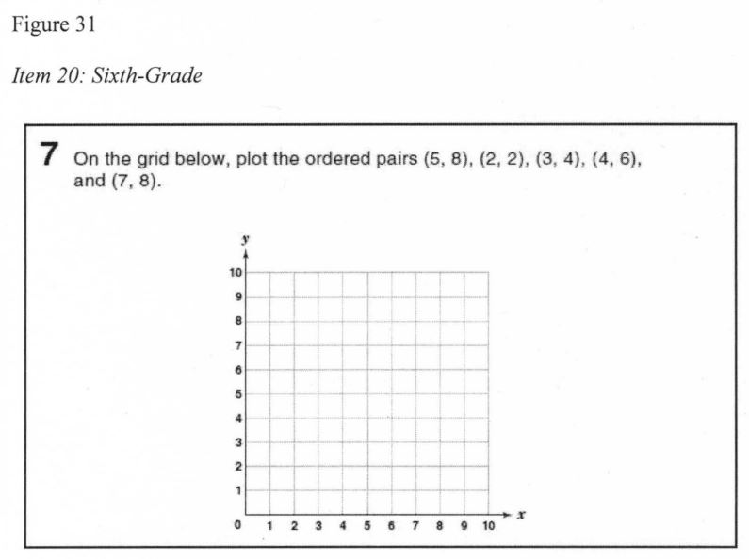
 |  |  |  |  | Some students had difficulty plotting points, often reversing the x- coordinate and y-coordinate. Several students plotted some of the ordered pairs correctly, but omitted at least one of the ordered pairs (typically the last one). Overall, 35% of open-responses had all ordered pairs plotted correctly and 10% omitted one ordered pair but the rest were plotted correctly. In addition, 15% of students did something other than plotting the ordered pairs including: making bar graphs going up to where the ordered pair would be on the y-axis (5%), making boxes which included some of the ordered pairs (5%), and drawing lines in which the top of the line would stop at the y-coordinate of the ordered pair (5%). Additionally, 40% plotted points incorrectly. Of this 40%, 20% reversed the x- and y-coordinate on at least one of the ordered pairs while the other 20% plotted at least one point incorrectly (but not by reversing x- and y-coordinates). | Answer

 |  |  | Solve problems involving coordinate pairs on the rectangular coordinate system
 |  |  |  |  | 5. Difficulty understanding the concept of the independent and dependent variables
 |  |  | Identify or represent functional relationships in meaningful context including proportional, linear, and common nonlinear (e.g., compound interest, bacterial growth) in tables, graphs, words, or symbols.
 |  |  | Sample Question 2022 | Answer
 |  |  | 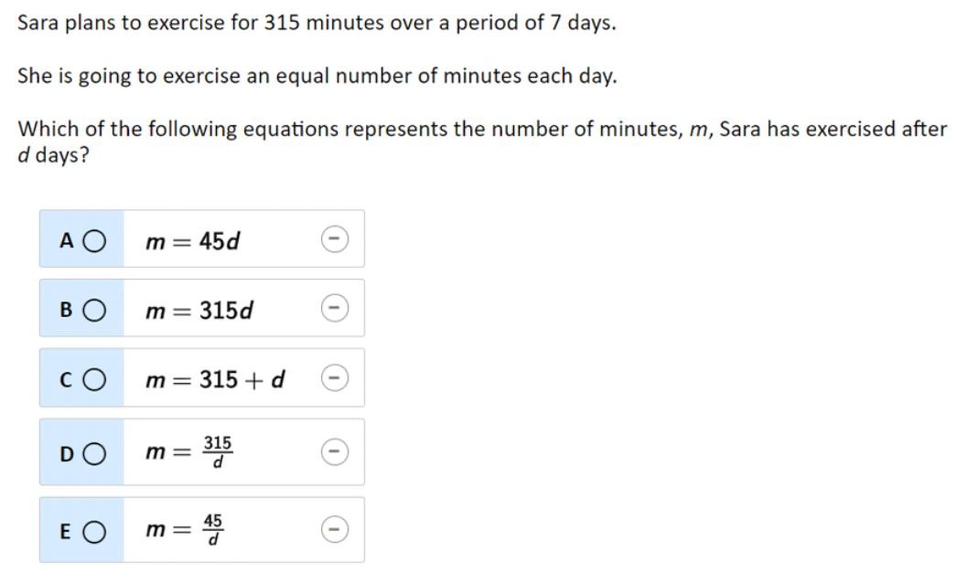 | "The correct answer is: A. m = 45d"

3. Variables, expressions, and operations |  |  | Write algebraic expressions, equations, or inequalities to represent a situation |  | With expressions involving subtraction, students would incorrectly write an expression such as 4 - n instead of n - 4.
 |  |  | Sample Question 2022 | Answer | M. M. Capraro and Joffrion, 2006 Write the expression that represents: “Tachi is exactly one year older than Bill” if T represented Tachi’s age and B, Bill’s age. | Question
 |  |  | 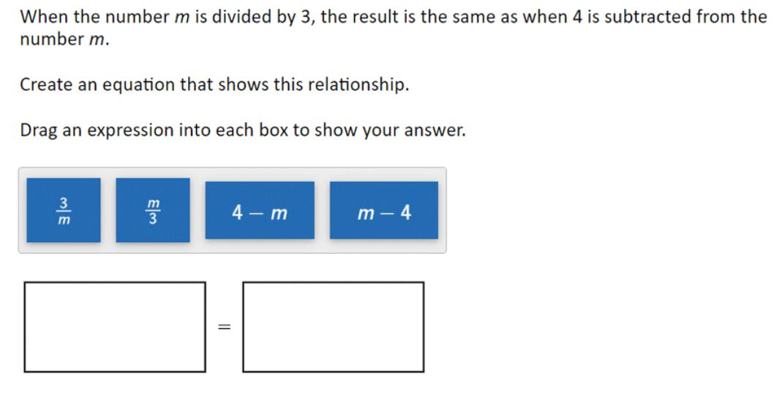 | 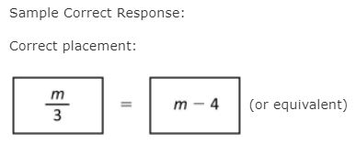 | Score and indicator: 1—Student gave T = B + 1 or an equivalent equation 43.1% 0—Student transposed T and B 14.3% 0—Student gave any other response 36% 0—Student left answer blank 5.9% | Answer

 | 7.EE.A.1 Apply properties of operations as strategies to add, subtract, factor, and expand linear expressions with rational coefficients. |  | Perform basic operations, using appropriate tools, on linear algebraic expressions (including grouping and order of multiple operations involving basic operations, exponents, roots, simplifying, and expanding). |  | 1.Incorrectly viewing variables as labels or units or Believing that that the value of a variable has something to do with its position in the alphabet
 |  |  | Sample Question 2022 | Answer | Herscovics, N., & Kieran, C. (1980) David is 10 cm taller than Con. Con is h cm tall. What can you write for David's height? | Question | MacGregor and Stacey (1997) Sue weighs 1 kg less than Chris. Chris weighs y kg. What can you write for Sue's weight?
 |  |  | Which of the following expressions is equivalent to 20(9 + 5)? A. 9(20 + 5) B. 20(5 + 9) C. 20(9) + 5 D. (20 + 9)5 E. 20 + (9) (5) | B. 20(5 + 9) | Responses to item DAVID from 14 students. Response: 10 + h [correct] Frequency: 1 Assumed reasoning: Add 10 to number or quantity denoted by h. Response: Uh Frequency: 1 Assumed reasoning: Abbreviated words 'Unknown height' Response: 18 Frequency: 2 Assumed reasoning: h is the 8th letter of alphabet, therefore 1 0 more is the 18t Response: 110 Frequency: 2 Assumed reasoning: Think of a reasonable height for Con, add 10 Response: t, g Frequency: 2 Assumed reasoning: Choose another letter or adjacent letter for David's height Response: 10, 20, 'half' Frequency: 5 Assumed reasoning: No comprehension of the question; use of the given value 10 and operations 'double' or 'half'. | Answer | Responses to item SUE from 14 students. Response: y - 1 Frequency: 1 Assumed reasoning: (Subtract I from number or quantity denoted by y) Response: x Frequency: 1 Assumed reasoning: (Although 10 can be 'joined' to h, as lOh, 1 cannot be 'removed' from y. To denote I less than y, write x) Response: Uw Frequency: 1 Assumed reasoning: (to mean 'Unknown weight') Response: 24 Frequency: 2 Assumed reasoning: (y is the 25th letter, therefore 1 less is 24) Response: [no response] Frequency: 2 Response: o, x Frequency: 2 Assumed reasoning: (Choose another letter or adjacent letter) Response: 1 Frequency: 4 Assumed reasoning: (No comprehension of the question; use of the given value 1) Response: [no response] Frequency: 1
 | 8.EE.A.1 Know and apply the properties of integer exponents to generate equivalent numerical expressions. |  |  |  | 2. Believing that two variables in the same equation cannot represent the same value |  | 3. Failing to understand that variables can represent varying quantities
 |  |  | Subtract. -3-8= A. -11 B. -5 C. 5 D. 11 E. 24 | A. -11 | Stephens (2005) h + m + n = h + p + n always, sometimes, or never true? | Question | Asquith et al. (2007) Which is larger task: Can you tell which is larger, 3n or n + 6? Please explain your answer
 |  |  |  |  | (N = 371) Grade: 6 7 8 Always true 9.0% 9.6% 8.9% Sometimes true 27.0% 36.8% 45.2% Never true 26.2% 18.4% 27.4% No response/don´t know 34.4% 30.7% 16.3% Other 3.3% 4.4% 2.2% | Anwer | Which is larger-judgment: 6th 7th 8th T Can’t tell 9 3 4 16 3n 5 5 2 12 n + 6 6 2 1 9 No response/Don’t know 8 6 2 16
 |  |  |  |  | 4. Believing that the commutative and associative properties are true for subtraction and division
 |  |  |  |  | Linchevski, L., & Livneh, D. (1999) The students were asked: "Without using the calculator, just by looking at the numbers and the operations, can you tell which expressions will give the same answer?" (a) 926 + 167-167 =? (b) 926-167- 167 =? (c) 926- 167 + 167 =? (d) 926-(167 + 167) =? | Question
 |  |  |  |  | all students matched only pairs. If the student stopped after one matching the interviewer asked, "What about the others?" Most of the students who did not match (a) with (c) offered an explan- ation based on the surface structure of the expressions. As one of them said, "They are not the same. Here (pointing at (a)), you have addition and subtraction and here (pointing at (c)), subtraction and addition". Eight students did not see the equivalence because of detachment - they put mental brackets around 167 + 167 in (c), viewing it as 926 - (167 + 167). Another 21 students matched (c) [926 - 167 + 167] with (d) [926 - (167 + 167)], thereby demonstrating a detachment of the minus sign from the indicated term. As one of the students said, "(c) and (d) are the same; they have the same numbers, the same operations and the same order". He was then asked, "But in (d) there are brackets. Don't they make any difference?" He answered, "You are supposed to do first what is in the brackets, and in (c) I judge what to do by observation". A | Answer

4. Equations and inequalities | 7.EE.A.2 Understand that rewriting an expression in different forms in a problem context can shed light on the problem and how the quantities in it are related. | 8.EE.C.7 Solve linear equations in one variable. | Solve linear equations or inequalities (e.g., ax +b = c or ac +b = cx +d or ax +b > c). |  | 1. Struggle with the multiple meanings and uses of variables |  | 2. Difficulty with the syntax of algebraic notation
 |  |  | Sample Question 2022 | Answer | Asquith et al. (2007) Which is larger task Can you tell which is larger, 3n or n + 6? Please explain your answer. | Question | Novotna, J., & Hoch, M. (2008)
 |  |  |  |  |  |  | 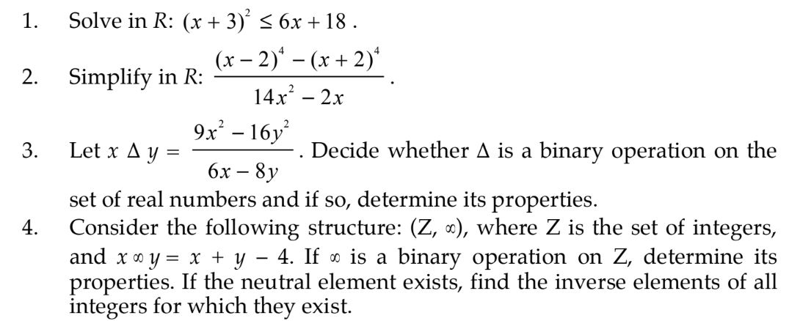
 | 8.EE.C.8 Analyze and solve pairs of simultaneous linear equations. |  | 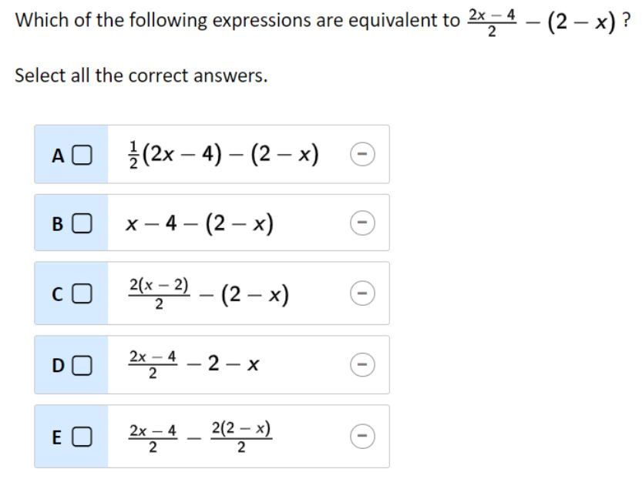 | 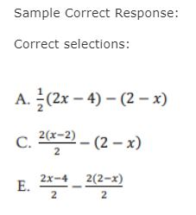 | Correct answer: you can’t tell which is larger The sixth- and eighth-grade teachers, underestimated the proportion of students who would hold misconceptions, expecting variable justifications to accompany correct judgments. 38% of the sixth- and seventh-graders gave the n + 6 or 3n response, only 4% of their justifications were based on the operation. Sixty-seven percent of the 3n responses were not justified or lacked a clear explanation and 44% of the n + 6 responses were justified by the explanation that 6 is greater than 3, indicating that students who had difficulty tended to focus on the numbers present in the task rather than on the operations Proportion of Student Responses of Each Type and Average Teacher Prediction of Proportion of Student Responses of Each Type for the Judgment of Which is Larger Judgement: Can’t tell 6th Student 0.18 - Teacher 0.28 7th Student 0.54 - Teacher 0.20 8th Student 0.64 - Teacher 0.76 Judgement: 3n 6th Student 0.13 - Teacher 0.06 7th Student 0.05 - Teacher 0.37 8th Student 0.16 - Teacher 0.06 Judgement: n + 6 6th Student 0.41 - Teacher 0.18 7th Student 0.18 - Teacher 0.03 8th Student 0.16 - Teacher 0.00 Judgement: Other 6th Student 0.00 - Teacher 0.06 7th Student 0.00 - Teacher 0.12 8th Student 0.00 - Teacher 0.00 Judgement: No response/ Don’t know 6th Student 0.28 - Teacher 0.42 7th Student 0.23 - Teacher 0.28 8th Student 0.04 - Teacher 0.18 | Answer | Success in solving a task by 1, and failure by 0. Examples from the test: (1, 1, , ) occurred in 18 cases divided as follows: • (1, 1, 0, 0): 6 students [indicating HS (High School) structure sense developed, no UA (University algebra) structure sense] • (1, 1, 1, 0): 8 students [indicating HS structure sense developed, SSE-3 (UA) developed, SSP (UA) lacking] • (1, 1, 1, 1): 4 students [indicating HS and UA structure sense developed] (0, 0, , ) occurred in 2 cases divided as follows: • (0, 0, 0, 0): 1 student [indicating neither HS nor UA structure sense] • (0, 0, 1, 0): 1 student [we explained this case in the remark in R1-1: The student remembered that a denominator cannot equal 0 and did not need to use HS structure sense—he did not simplify the expression] Although there were other foursomes, most of them were unique cases; we mention only those that occurred more frequently: • (1, 0, 0, 0): 3 students [no UA structure sense] • (1, 0, 1, 0): 4 students [SSE-3 (UA) developed, SSP (UA) lacking] All, (bar one, explained above) of these cases could be explained by our hypotheses. SSE (Structure Sense as Applied to Elements of Sets and the Notion of Binary Operation) SSP (Structure Sense as Applied to Properties of Binary Operations) R1-1: A student who does not have a high level of structure sense 2 (HS) cannot display a high level of SSE-2 (UA).

 | 6.EE.A.4 Identify when two expressions are equivalent (i.e., when the two expressions name the same number regardless of which value is substituted into them). | 6.EE.B.5 Understand solving an equation or inequality as a process of answering a question: which values from a specified set, if any, make the equation or inequality true? Use substitution to determine whether a given number in a specified set makes an equation or inequality true. | Interpret “=” as an equivalence between two expressions and use these interpretations to solve problems. |  | 3. Believing that the equal sign means “the answer is” rather than expressing a relationship
 |  |  |  |  | Baroudi (2006) Solve the following problem 8 + 4 = [ ] + 5 | Question
 |  |  |  |  | All the students thought that either 12 or 17 was the correct answer | Answer

 |  |  |  |  | L Linchevski, N Herscovics (1996) Students were shown the following equation on a balance: 5n + 3n + 11 = 5n + 11 + 39 and asked if they noticed any equal terms on both sides and if they thought those terms could be removed. Next, students were asked to solve the remaining equation, 3n = 39. Once the equation was solved, n = 13, students were asked if this solution was also true for the original equation, 5n + 3n + 11 = 5n + 11 + 39. | Question
 |  |  |  |  | Some students were not confident that the solution was true for the original equation and had to check by substituting n = 13 into the original equation | Answer

 | 7.EE.B.4 Use variables to represent quantities in a real-world or mathematical problem, and construct simple equations and inequalities to solve problems by reasoning about the quantities. | 6.EE.B.7 Solve real-world and mathematical problems by writing and solving equations of the form x + p = q and px = q for cases in which p, q and x are all nonnegative rational numbers. | Analyze situations or solve problems using linear equations and inequalities with rational coefficients symbolically or graphically (e.g., ax +b = c or ax +b = cx +b) |  | 4. Not checking their solution or error in checking their solution |  | 5. Symbolic notation
 |  |  |  |  | Perrenet & Wolters, 1994 7 - 1/2 n = 18 | Question | Swafford & Langrall (2000) Car Wash Problem (inverse variation) Metro Car Sales hires washers to wash the cars in their lot. The manager knows that 36 washers can wash all the cars in 1 hour. a) What if only half as many washers worked? How long would it take 18 washers to wash all the cars? How long for 72 washers? How long for 9 washers? How long for 4 washers? b) Describe how the manager could figure out how many hours it would take to wash the cars for any size group of washers. c) Write an equation for finding the number of hours it takes to wash the cars if you know the number of washers. Let H represent the number of hours it takes, and let S represent the number of washers. d) Can you use your equation to find how long it would take 10 washers?
 |  |  | Sample Question 2022 | Answer | Student 1: Solving: 7 - 1/2 = 18 - 1/2 = 11 n = 22 Checking: 7 - 1/2 · 22 = 18 7 + 11 = 18 18 = 18 Student 2: Solving: 7 - 1/2 n = 18 7 - 1/2 n + 7 = 18 + 7 - 1/2 n = 25 1 n = 50 Checking: 7 - 25 = 18 OK | Answer | They had difficulty computing the time required in other cases. Given that 36 washers take I hour, 9 of the 10 students responded that 18 washers would take twice as long and 8 of the 10 students responded that 72 washers would take half as long. When the 18 was halved to 9 washers, only 5 of the 10 students doubled the time again. only one student correctly answered
 | 6.EE.B.8 Write an inequality of the form x > c or x < c to represent a constraint or condition in a real-world or mathematical problem. Recognize that inequalities of the form x > c or x < c have infinitely many solutions; represent solutions of such inequalities on number line diagrams. |  |  | Sample Correct Response: (a) Correct selection: The monthly fee of Gym A is less than the monthly fee of Gym B. (b) Explanation: Gym A has a higher initial fee than Gym B. The two gyms have the same total cost after 12 months, so in order for the total cost of Gym B to reach to the total cost of Gym A, the monthly fee for Gym A must be less than the monthly fee for Gym B. | 6. Reversal order error |  | 7. Combining (or not combining) like term
 |  |  |  |  | Swan (2020) There are six times as many students as professors at this universit | Question | 1. 2x + x = 24 x = 2 22 + 2 = 24 2. 3x + 2x = 50 x = 0 30 + 20 = 50
 |  |  |  |  | Typical incorrect answer 52% "6S = P" | Answer

 |  |  |  |  | 8. Inverse operations
 |  |  |  |  | 1. 6 (1 + 4x) + 2 = 6 (5x) + 2 = 30x + 2 2. 7 + 5 (2 + 3x) = 7 + 5 (5x) = 7 + 25x | Question/ answer
 | 8.EE.B.5 Graph proportional relationships, interpreting the unit rate as the slope of the graph. Compare two different proportional relationships represented in different ways. | 8.F.B.4 Construct a function to model a linear relationship between two quantities. Determine the rate of change and initial value of the function from a description of a relationship or from two (x, y) values, including reading these from a table or from a graph. Interpret the rate of change and initial value of a linear function in terms of the situation it models, and in terms of its graph or a table of values. | Interpret relationships between symbolic linear expressions and graph of lines by identifying and computing slope and intercepts (e.g., known in y = ax +b, that a is the rate of charge and b is the vertical intercept of the graph).
 |  |  | Sample Question 2017 | Answer
 |  |  | 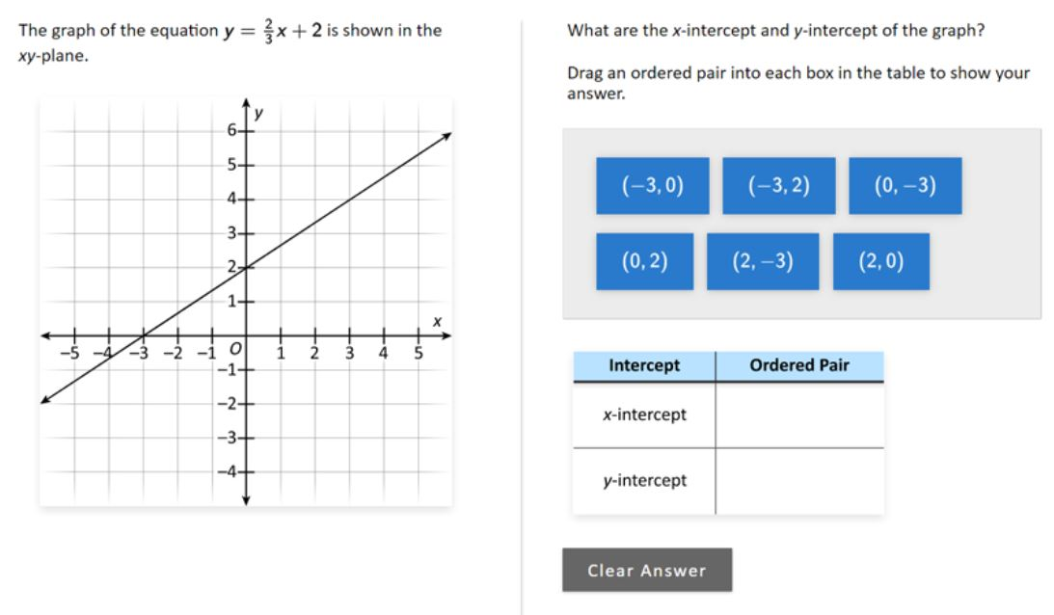 | 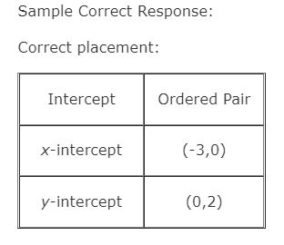
 |  |  | Sample Question 2022 | Answer
 |  |  | Wich of the following statements must be true about any two distinct lines that intersect at exactly one point in the xy-plane? A. The slopes of the lines must be equal. B. The y-intercepts of the lines must be equak. C. The slopes of the lines cannot be equal. D. The y-intercepts of the lines cannot be equal. | Sample Correct Response: (a) Correct selection: C. The slopes of the lines cannot be equal. (b) Explanation: The slopes cannot be equal because if they were equal, the lines would be parallel. Distinct parallel lines do not intersect. NOTES: Acceptable explanations include those that address the idea that if two lines in the xy-plane have the same slope then they would either - not intersect, or - be parallel, or - be the same line, or - intersect in infinitely many points. Partially acceptable explanations include those that give an acceptable explanation with additional incorrect information.

 |  |  | Use and evaluate common formulas (e.g., relationship between a circle’s circumference and diameter [C = pi d], distance and time under constant speed).
 |  |  | Sample Question 2022 | Answer
 |  |  |  | 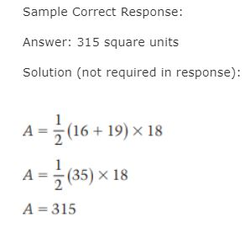
 |  |  | Sample Question 2017 | Answer
 |  |  | 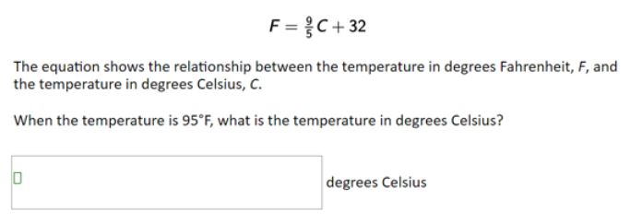 | 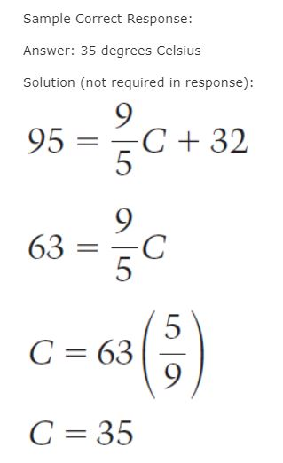

Extra
Solve problem using division |  |  | Andrea works in a flower shop ans is making bows. Eache bow requires a 4-foot piece of ribbon. She has 158 feet of ribbon on a roll. What is the greatest number of these bows Andrea can make from the roll of ribbon? | Answer: 39 bows Solution (not required in response): 158 ÷ 4 = 39 1/2 Therefore, she can make 39 bows.
Subtract integers |  |  | Subtract integers | Subtract. -3-8= A. -11 B. -5 C. 5 D. 11 E. 24
 |  |  | 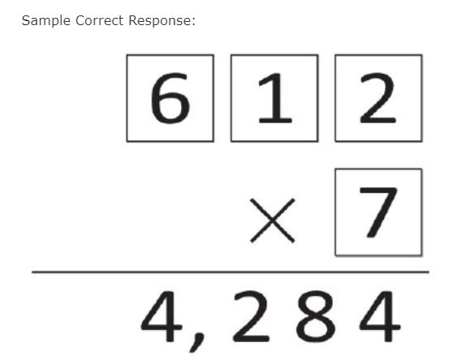

Misconceptions graphs
)8th grade) Analyzing common algebra-related misconceptions and errors of middle school students. Sarah B. Bush (2011)
Page | Question | Survey | Incorrect Answer | Correct Answer | Error-Misconception | percentage
p. 207 - 209 |  | The sample was obtained from the state's Department of Education. The researcher contacted the Director of Assessment at the state's Department of Education in August 2010. In September 2010 | For the 50% who had the correct answer and incorrect or blank explanation there were a variety of explanations including: no explanation (5%), it (the yaxis) increases by small numbers making it looker bigger than big numbers (5%), the graph is shortened in the corner (5%), the graph starts at 8,000 (15%), disagrees that it appears that there are three times as many on day two than on day one (5%), only mentions heights of the bars (5%), only mentions the increments of 125 (5%), and does not mention the break (5%). For the 10% that also had the incorrect answer along with the incorrect explanation the responses incorrectly stated that the y-axis increases by increments of 150 (instead of 125) (5%), and day two was shaded high (5%). All of these incorrect explanations can be directed back to the fact that the student lacked some understanding or awareness of the discontinuous scale on the y-axis | three times the amount of the other bar | Difficulty interpreting graph-scale. 60% | Correct answer and correct explanation 40% Correct answer and an incorrect or blank explanation 50% Incorrect answer and incorrect explanation 10% |  | x
p. 210 - 212 | 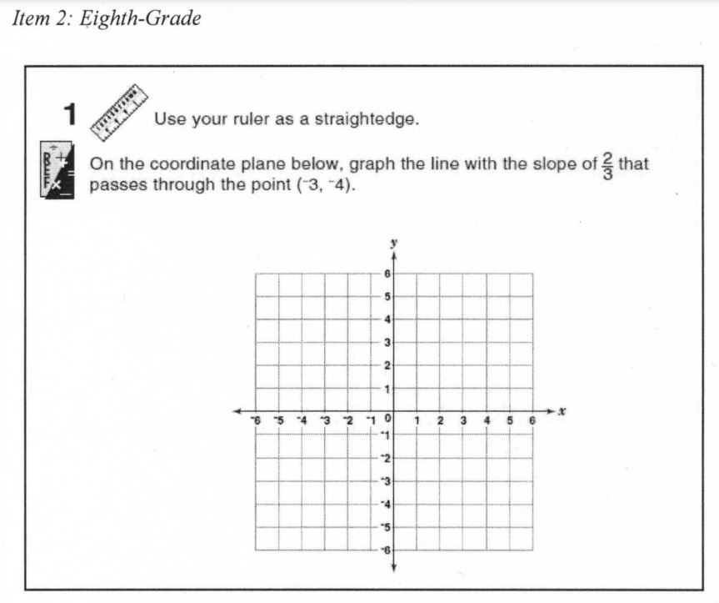 | The sample was obtained from the state's Department of Education. The researcher contacted the Director of Assessment at the state's Department of Education in August 2010. In September 2010 |  |  | - Difficulty graphing slope of line 55% - Difficulty plotting points -reversed x- and y-coordinate 15% - Difficulty plotting points -reason other than reversing x- and y-coordinate 5% | Correctly plotted ordered pair and correctly drew the slope 25% Correctly drew the slope from an incorrect point 15% Incorrectly plotted the ordered pair and incorrectly drew the slope 60% | NOT in NAEP

(6th grade) Analyzing common algebra-related misconceptions and errors of middle school students. Sarah B. Bush (2011)
Page | Question | Survey | Incorrect Answer | Correct Answer | Error-Misconception | percentage
p. 176 - 178 | 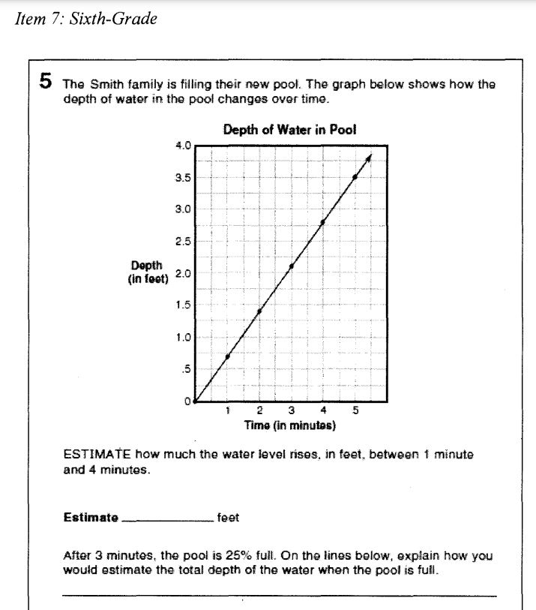 | The sample was obtained from the state's Department of Education. The researcher contacted the Director of Assessment at the state's Department of Education in August 2010. In September 2010 |  |  | Common Errors and Misconceptions: Patterning Errors in counting with patterns (from a graph) 5% Difficulty making a generalization (from a graph) 15% Not making consistent generalizations (from a graph) 5% Difficulty expressing pattern symbolically (on explanation) 5% Common Errors and Misconceptions: Graphing Incorrectly interpreting graph 50% | Correct answer and correct explanation 35% Correct answer but not a clear explanation 5% Incorrect answer 60% | x
p. 191 - 193 | 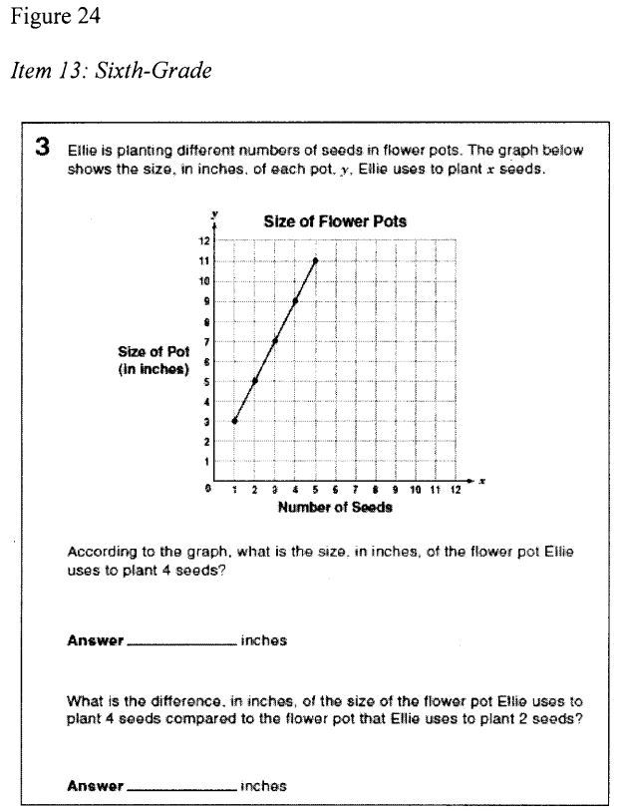 | The sample was obtained from the state's Department of Education. The researcher contacted the Director of Assessment at the state's Department of Education in August 2010. In September 2010 | multiplying the x- and y-coordinate to get the number of inches (5%), subtracting the y-values in the second part (5%), selecting the last point plotted (10%), multiplying the y-values 9 x 7 x 5 x 3 (5%), providing an answer off by one value possibly just looking at the graph wrong (5%), reversing the x- and ycoordinates (5%), subtracting the x-values instead of the y-values (5%), and answers of 1, 7,31,32,35 with unclear reasons (25%). |  | Incorrectly interpreting graph 65% | Correct answer (on both parts) 25% Incorrect 75% | x
p. 182, 183 |  | The sample was obtained from the state's Department of Education. The researcher contacted the Director of Assessment at the state's Department of Education in August 2010. In September 2010 | reversing the x-coordinate and y-coordinate |  | Difficulty plotting points - reversed x- and y-coordinate 20% Difficulty plotting points - reason other than reversing x- and y-coordinate 20% | All ordered pairs correctly plotted 35% At least one ordered pair plotted incorrectly 65% | x | x

